Memo On Prescribed Form
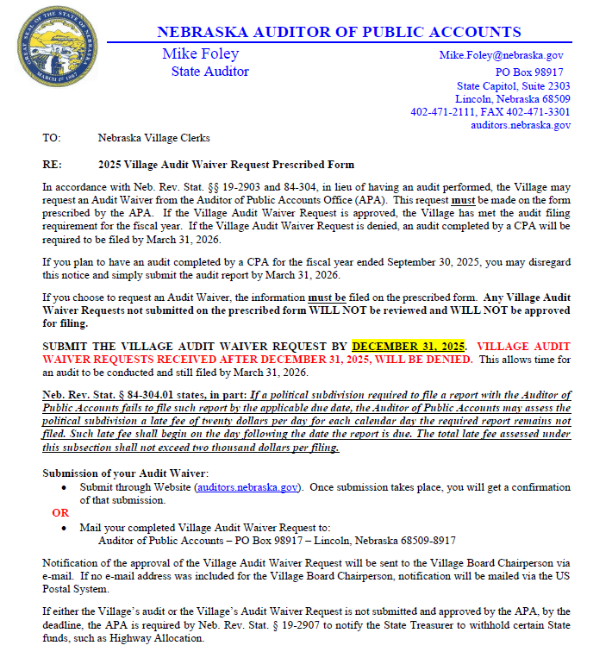
Note: Helpful information and answers to common questions have been included throughout this waiver request form. This information may be considered a Guidance Document under the Administrative Procedures Act.

This guidance document is advisory in nature but is binding on an agency until amended by such agency. A guidance document does not include internal procedural documents that only affect the internal operations of the agency and does not impose additional requirements or penalties on regulated parties or include confidential information or rules and regulations made in accordance with the Administrative Procedure Act. If you believe that this guidance document imposes additional requirements or penalties on regulated parties, you may request a review of the document. (Neb. Rev. Stat. § 84-901.03)

